Dashboard - Sample
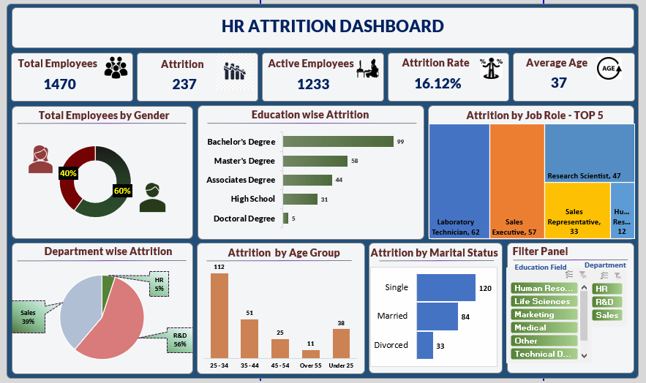

Male Vs Female
Gender | Count of Employee Number
Female | 40.00%
Male | 60.00%
Grand Total | 100.00%

My Dashboard
`
HR ATTRITION DASHBOARD
1470
237
1233
16.12
37

Total Employees
Attrition
Active Employees
Attrition Rate
Average Age

Total Employees By Gender
Education Wise Attrition
Attrition By Job Role - TOP 5
 | Total
Female | 40.00%
Male | 60.00%
 | Total
Doctoral Degree | 5
High School | 31
Associates Degree | 44
Master's Degree | 58
Bachelor's Degree | 99

Department Wise Atrittion
Attrition By Age Group
Attrition By Marital Status
Filter Panel
 | Total
HR | 5%
R&D | 56%
Sales | 39%
 | Total
25 - 34 | 112
35 - 44 | 51
45 - 54 | 25
Over 55 | 11
Under 25 | 38
 | Total
Divorced | 33
Married | 84
Single | 120
Education
Department

Attrition By Marital Status
Marital Status | Count of CF_attrition counts
Divorced | 33
Married | 84
Single | 120
Grand Total | 237

Attrition Age Group Wise
Age Band | Count of CF_attrition counts
25 - 34 | 112
35 - 44 | 51
45 - 54 | 25
Over 55 | 11
Under 25 | 38
Grand Total | 237

Attrition Department Wise
Department | Count of CF_attrition counts
HR | 5%
R&D | 56%
Sales | 39%
Grand Total | 100%

Attrition Education Wise
Education | Count of CF_attrition counts
Doctoral Degree | 5
High School | 31
Associates Degree | 44
Master's Degree | 58
Bachelor's Degree | 99
Grand Total | 237

